Q1
Gear Type | Gear A | Gear B | Gear C | Gear D
Demand | 400 | 500 | 450 | 600
Revenue | $12.50 | $15.60 | $17.40 | $19.30
Outsource | $7.10 | $8.10 | $8.40 | $9.00

Process | Gear A | Gear B | Gear C | Gear D | Hours Available | Cost per hour
Forming | 0.3 | 0.36 | 0.38 | 0.45 | 500 | $9.00
Hardening | 0.2 | 0.3 | 0.24 | 0.33 | 300 | $8.00
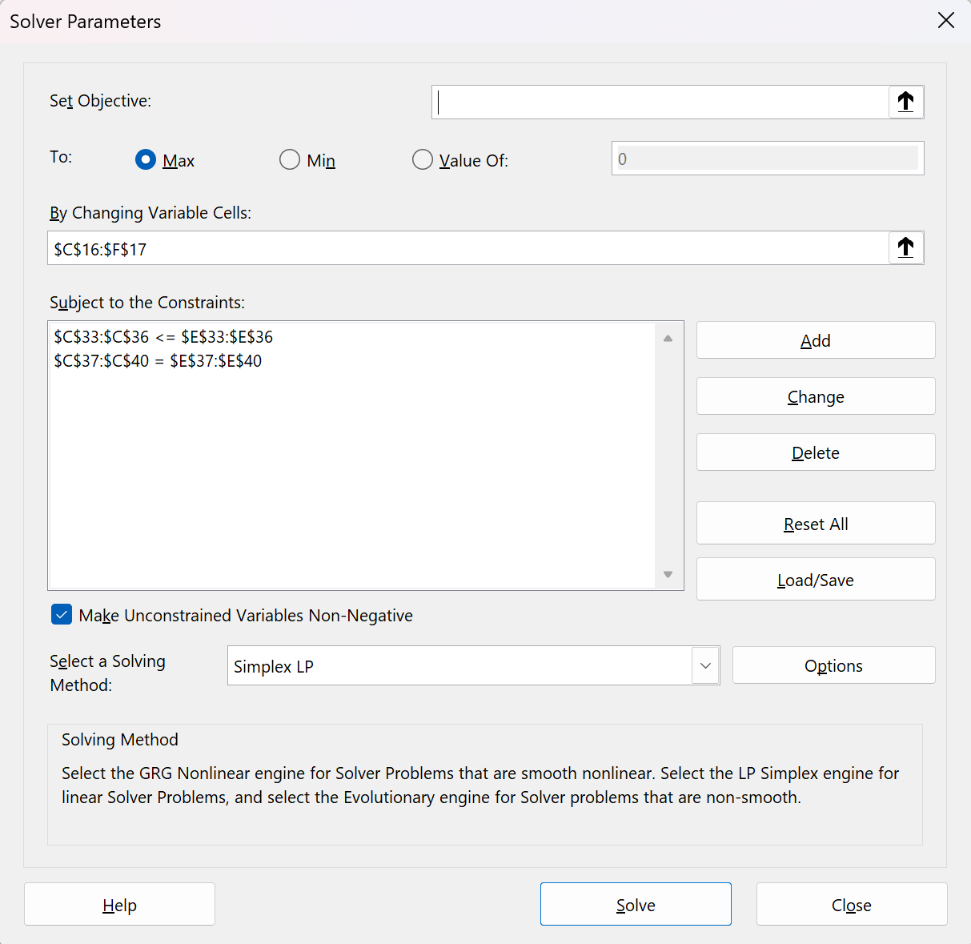
Deburring | 0.3 | 0.3 | 0.35 | 0.25 | 310 | $7.50
Cost per unit | $6.55 | $7.89 | $7.97 | $8.57

Question 1: A gear manufacturer is planning next week’s production run for four types of gears. If necessary, it is possible to outsource any type of gear from another gear company locate nearby. The following table and the table at the bottom of this page (Chapter 3 problem 8 in the textbook)) show next week’s demand, revenue per unit, outsource cost per unit, time (in hours) required per unit in each production process, and the availability and costs of these processes. The nearby company can supply a maximum of 300 units of each type of gear next week. What should be the production and/or outsource plan for the next week to maximize profit?
For Gear A, there was 400 total produced with no outsource.
For Gear B, there was 200 total produced with 300 outsourced.
For Gear C, there was 52 total produced with no outsource.
For Gear D, there was 447 total produced with no outsource.
Decision Variables | Gear A | Gear B | Gear C | Gear D
Total Produced | 400 | 200 | 52 | 447
Total Outsourced | 0 | 300 | 0 | 0
Total Forming | 120 | 72 | 20 | 201
Total Hardening | 80 | 60 | 13 | 147
Total Deburring | 120 | 60 | 18 | 112

Total Revenue | $5,000 | $3,120 | $909 | $8,624
Total Cost | $2,620 | $1,578 | $416 | $3,827
In House Profit | $2,380 | $1,542 | $493 | $4,797
Outsource revenue | $0 | $4,680 | $0 | $0
Total Outsourcing Cost | $0 | $2,430 | $0 | $0
Outsource Profit | $0 | $2,250 | $0 | $0

Total Profit | $11,462

Constraints
Outsource | 300 | <= | 300
Forming | 413 | <= | 500
Hardening | 300 | <= | 300
Deburring | 310 | <= | 310
Gear A + Outsource | 400 | = | 400
Gear B + Outsource | 500 | = | 500
Gear C + Outsource | 52 | = | 450
Gear D + Outsource | 447 | = | 600
 | LHS | Sign | RHS

Q2-a
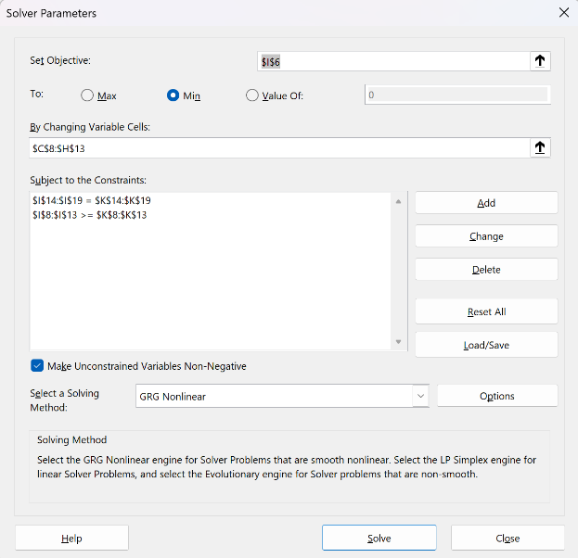
 | Attendants
 | SHIFT A | SHIFT B | SHIFT C | SHIFT D | SHIFT E | SHIFT F
Number of Attendants | 13.5 | 13.5 | 8.5 | 14.5 | 14.5 | 8.5 | 73
Constraints
2AM - 6AM | 13.5 | 0 | 0 | 0 | 0 | 8.5 | 22 | >= | 8
6AM - 10AM | 13.5 | 13.5 | 0 | 0 | 0 | 0 | 27 | >= | 27
10AM - 2PM | 0 | 13.5 | 8.5 | 0 | 0 | 0 | 22 | >= | 12
2PM - 6PM | 0 | 0 | 8.5 | 14.5 | 0 | 0 | 23 | >= | 23
6PM - 10PM | 0 | 0 | 0 | 14.5 | 14.5 | 0 | 29 | >= | 29
10PM - 2AM | 0 | 0 | 0 | 0 | 14.5 | 8.5 | 23 | >= | 23
 |  |  |  |  |  |  | 13.5 | = | 13.5
Question 2
A nursing home employs attendants who are needed around the clock. Each attendant is paid the same, regardless of when his or her shift begins. Each shift is 8 consecutive hours. Shifts begin at 6 A.M., 10 A.M., 2 P.M., 6 P.M., 10 P.M. and 2 A.M. The following table shows the nursing home’s requirements for the numbers of attendants to be on duty during specific time periods. (Chapter 3 problem 18 in the textbook)
a) What is the minimum number of attendants needed to satisfy the nursing home’s requirements?
73
 |  |  |  |  |  |  | 13.5 | = | 13.5
 |  |  |  |  |  |  | 8.5 | = | 8.5
 |  |  |  |  |  |  | 14.5 | = | 14.5
 |  |  |  |  |  |  | 14.5 | = | 14.5
 |  |  |  |  |  |  | 8.5 | = | 8.5
 |  |  |  |  |  |  | LHS | Sign | RHS

Q2-b
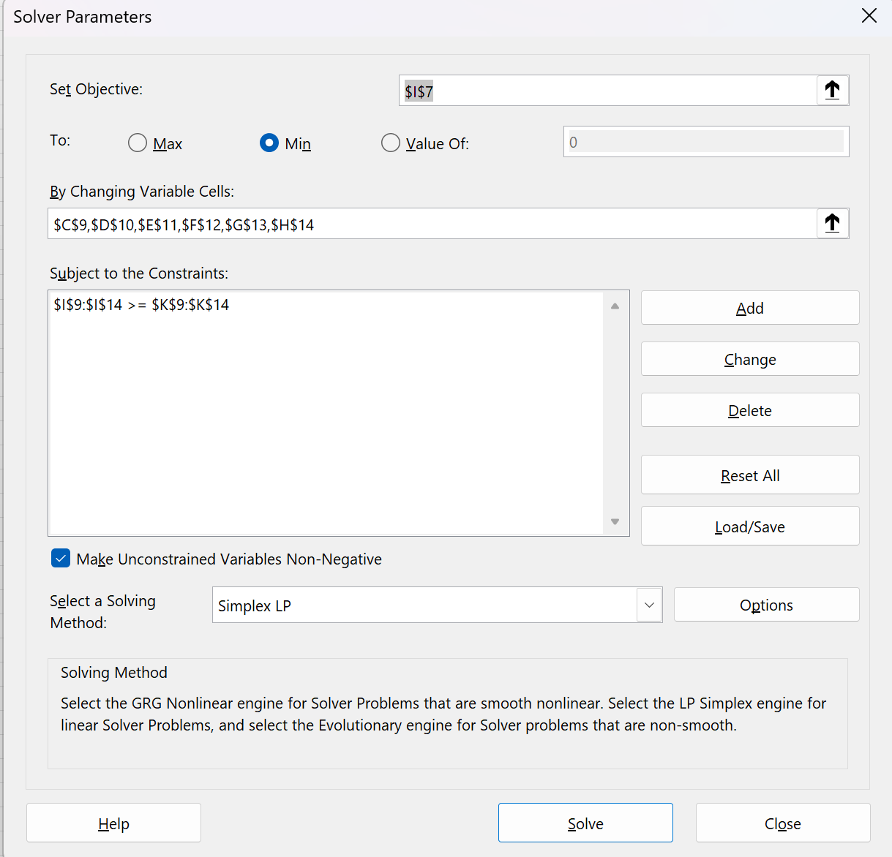
 | Attendants
 | SHIFT A | SHIFT B | SHIFT C | SHIFT D | SHIFT E | SHIFT F
Number of Attendants | 27 | 0 | 17 | 6 | 23 | 0 | 73
Cost | 152 | 136 | 128 | 136 | 152 | 160 | 10592
Constraints
2AM - 6AM | 8 |  |  |  |  | 0 | 8 | >= | 8
6AM - 10AM | 8 | 19 |  |  |  |  | 27 | >= | 27
10AM - 2PM |  | 19 | 0 |  |  |  | 19 | >= | 12
2PM - 6PM |  |  | 0 | 23 |  |  | 23 | >= | 23
6PM - 10PM |  |  |  | 0 | 29 |  | 29 | >= | 29
10PM - 2AM |  |  |  |  | 29 | 0 | 29 | >= | 23
 |  |  |  |  |  |  | LHS | Sign | RHS
Cost | 4104 | 0 | 2176 | 816 | 3496 | 0

Question 2 (b)
A nursing home employs attendants who are needed around the clock. Each attendant is paid the same, regardless of when his or her shift begins. Each shift is 8 consecutive hours. Shifts begin at 6 A.M., 10 A.M., 2 P.M., 6 P.M., 10 P.M. and 2 A.M. The following table shows the nursing home’s requirements for the numbers of attendants to be on duty during specific time periods. (Chapter 3 problem 18 in the textbook)
b)The nursing home would like to use the same number of attendants determined in part (a) but would now like to minimize the total salary paid. Attendants are paid $16 per hour during 8 A. M. – 8 P.M., and a 25% premium per hour during 8 P.M. – 8 A.M. How should the attendants now be scheduled?
The attendants should be scheduled in a way that minimizes the number of night shift attendants because they are paid at the higher rate and maximize the use of day shift attendants that are paid at the lower rate.
Shift A: 8
Shift B: 19
Shift C: 0
Shift D:11.5
Shift E: 29
Shift F: 0

Q3
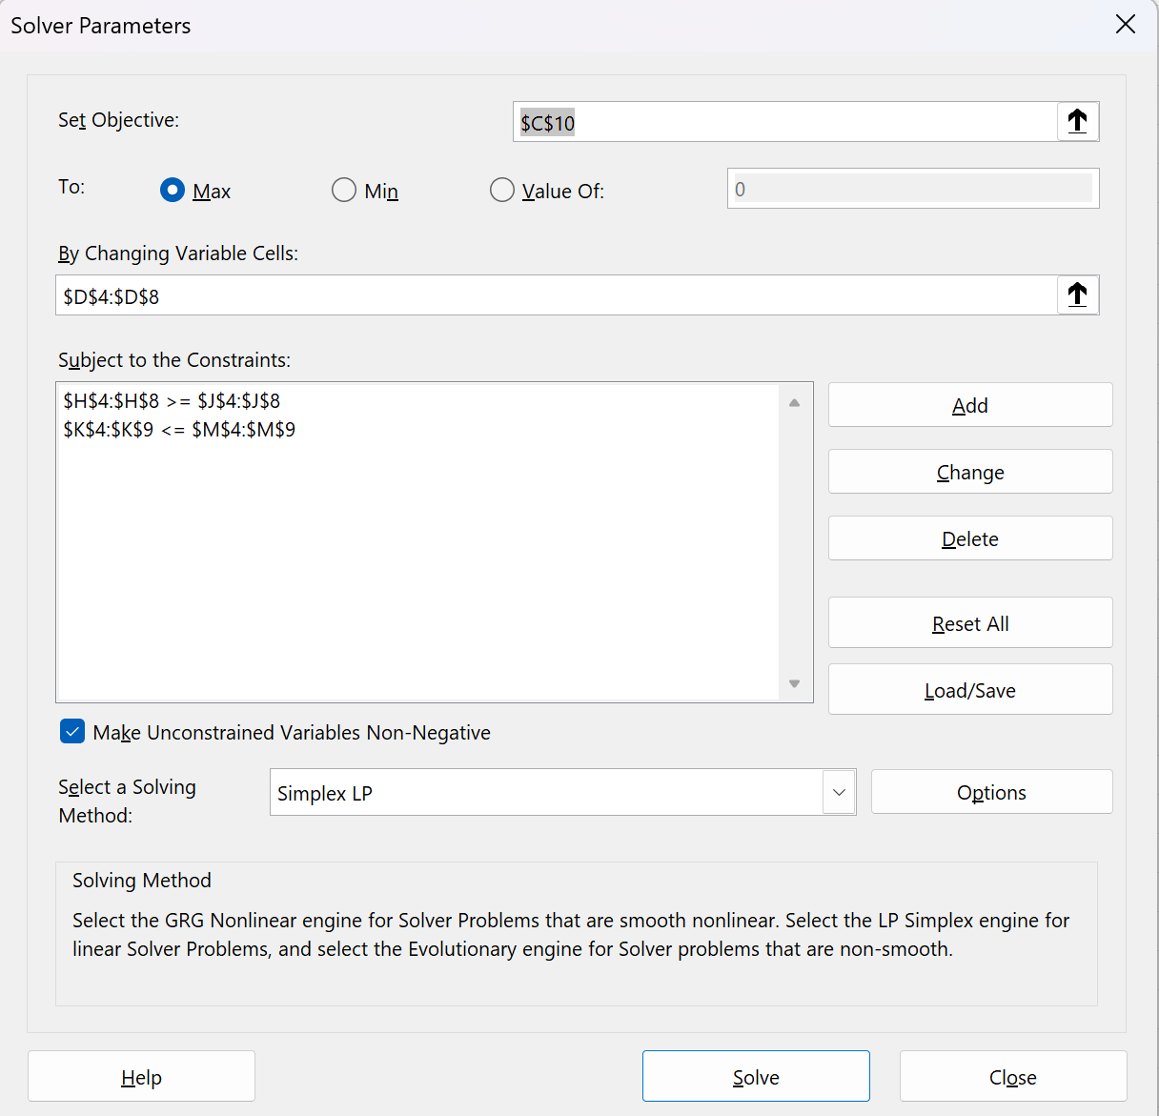
Advertising Medium | Cost | Units | Votes | Votes Generated | Cost | Constraints
Bumper stickers(thousands) | $30 | 40 | 10 | 400 | $1,200 | 40 | >= | 40 | 40 | <= | 100
Personal mailings(hundreds) | $81 | 800 | 40 | 32000 | $64,800 | 800 | >= | 500 | 800 | <= | 800
Radio ads (per day) | $1,000 | 4 | 485 | 1940 | $4,000 | 4 | >= | 3 | 4 | <= | 12
Small road side signs | $25 | 100 | 10 | 1000 | $2,500 | 100 | >= | 100 | 100 | <= | 500
Large road side signs | $60 | 300 | 30 | 9000 | $18,000 | 300 | >= | 50 | 300 | <= | 300
Total available | 90,500 |  |  |  |  |  |  |  | $90,500 | <= | 90,500
Total votes | 44340
Total cost | $90,500

Question 3:
A political candidate is planning his media budget for an upcoming election. He has $90,500 to spend. His political consultants have provided him with the following estimates of additional votes as a results of the advertising effort: (Chapter 3 problem 12 in the textbook)
For every small sign placed b the roadside, he will garner 10 additional votes
For every large sign placed by the roadside, he will garner 30 additional votes
For every thousand bumper stickers placed on cars, he will garner 10 additional votes
For every hundred personal mailings to registered voters, he will garner 40 additional votes, and
For every radio ad heard daily in the last month before the election, he will garner 485 additional votes
The costs of each of these advertising devices, along with the practical minimum and maximum that should be planned for each, are shown on the following table. How should the candidate plan to spend his campaign money?
With a $90,500 budget, the political candidate should purchase 40 thousand bumper stickers, 800 personal mailers, 4 radio ads per day, 100 small road signs, and 300 large road signs.

